How to read the dataset
The dataset is a relationnal database. The tables are based on the following relationship model :
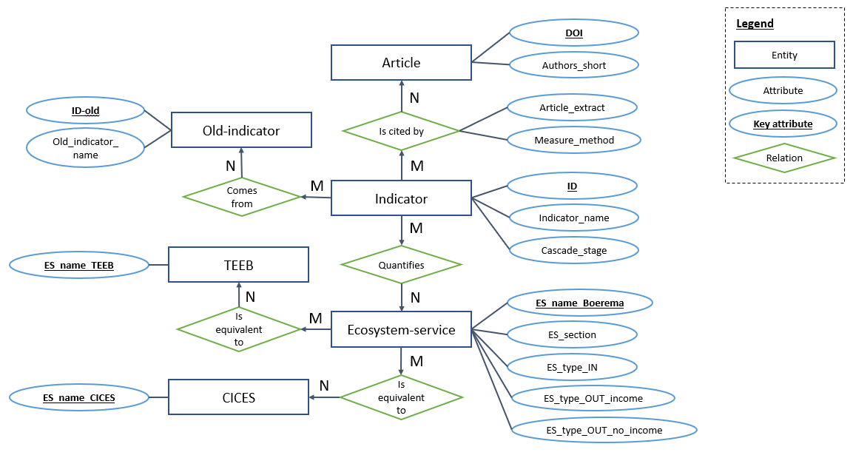

The tables are as follows :
 | In the Figure below, blue tables named with a single name or with "-" concern entities.
 | In the Figure below, orange tables with two names connected by a "_" concern a relationship.

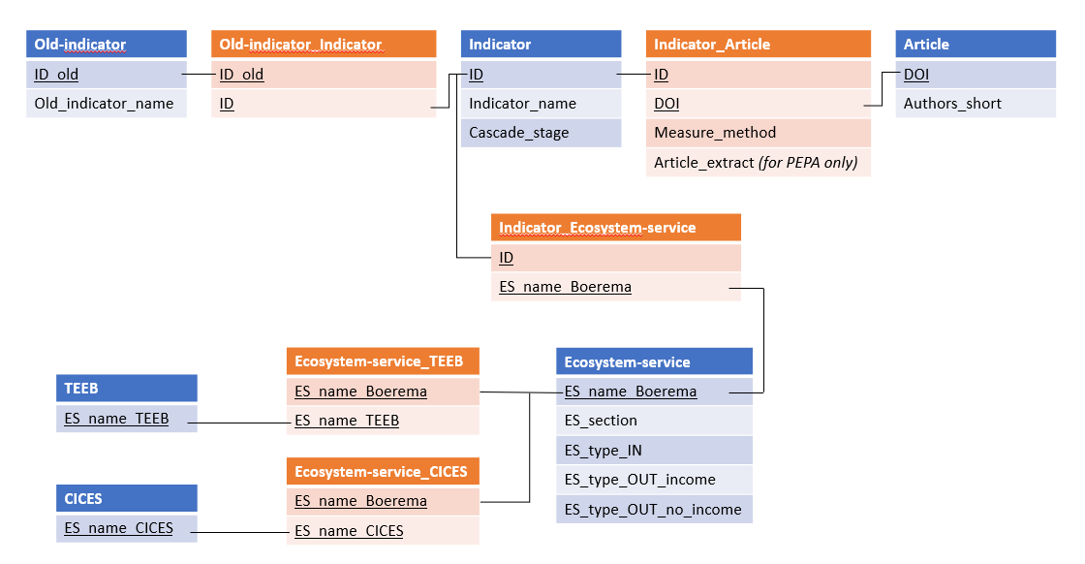

In the excel dataset, for each table, the first cell of a key attribute column is colored in yellow.

